merge split
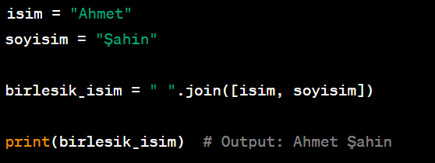
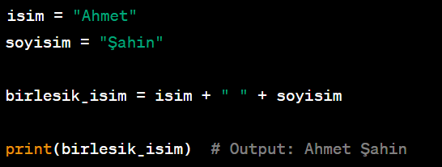
 |  | MERGE |  |  |  | SPLIT

Ahmet | Şahin | Ahmet Şahin | Ahmet Şahin 45 | Ahmet | Şahin | 45 | Tomato, Pear, Apple, Plum | Tomato | Pear | Apple | Plum
Yavuz | Nur | Yavuz Nur | Yavuz Nur 45 | Yavuz | Nur | 45 | Elma, Portakal, Kayısı | Elma | Portakal | Kayısı
Sema | Kaya | Sema Kaya | Sema Kaya 60 | Sema | Kaya | 60
Tuba | Kara | Tuba Kara | Tuba Kara 34 | Tuba | Kara | 34
Eda | Perçin | Eda Perçin | Eda Perçin 45 | Eda | Perçin | 45 | Tomato | Pear | Apple | Plum | Tomato Pear Apple Plum
Ahmet | Aydın | Ahmet Aydın | Ahmet Aydın 55 | Ahmet | Aydın | 55
Elif | Doğu | Elif Doğu | Elif Doğu 21 | Elif | Doğu | 21
Emel | Esen | Emel Esen | Emel Esen 27 | Emel | Esen | 27
Yusuf | Özkan | Yusuf Özkan | Yusuf Özkan 38 | Yusuf | Özkan | 38
Sezgin | Kıyılı | Sezgin Kıyılı | Sezgin Kıyılı 50 | Sezgin | Kıyılı | 50

AND
=IF(AND(A2>10, D2="ADIDAS"), "BÜYÜK", "KÜÇÜK")
A | B | C | D
2 | 15 | 100 | ADIDAS | KÜÇÜK
5 | 9 | 200 | NIKE
=IF(AND(A7>10, D7="ADIDAS"), "BÜYÜK", "KÜÇÜK")
10 | 11 | 300 | NEW BALANCE
12 | 16 | 400 | TURBO
15 | 18 | 500 | XT
20 | 15 | 100 | ADIDAS | BÜYÜK

=IF(OR(D2="ADIDAS",D2="NIKE"),"Seçildi","Seçilmedi")
Seçildi

picture


